Summary
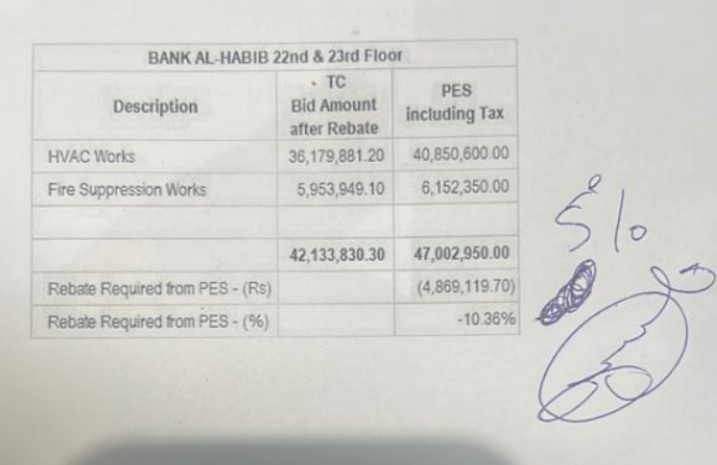
 |  |  |  | Bank Al-Habib Limited

HVAC & Fire Fighting Work |  |  |  | 16-Feb-23
22nd & 23rd Floor Centerpoint Karachi

SUMMARY OF BILL OF QUANTITIES

S.No | Description | Material | Labour | Amount
1 | HVAC 222nd Floor | 18967350 | 1,763,250 | 20,730,600
2 | HVAC 23rdth Floor | 18,472,100 | 1,647,900 | 20,120,000
 | Total Amount HVAC |  |  | 40,850,600

3 | Fire Fighiing 22nd Floor | 2,810,350 | 482,000 | 3,292,350
4 | Fire Fighiing 23rd Floor | 2,432,000 | 428,000 | 2,860,000
 | Total Amount Fire Fighting |  |  | 6,152,350

 | Grand Total Amount | 42,681,800 | 4,321,150 | 47,002,950

